DASHBOARD

SALES & PROFIT DASHBORDS

Total Sales
Total Profit
Customer Count By Year
 | Total
2000 | 1
2001 | 239
2002 | 1
2003 | 1
2004 | 1
2005 | 1
2006 | 13
2007 | 1
2008 | 1
2009 | 1
2010 | 1
2011 | 1
2012 | 1
2013 | 1
2014 | 1
2015 | 1
2016 | 1
2017 | 1
2018 | 1
2019 | 1
2020 | 1
2021 | 1
2022 | 1
2023 | 1
2024 | 1
2025 | 787
19 288,88 €
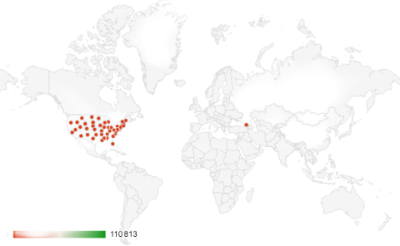

Top 5 Customer
 | Total
Tamara Chand | 8,981.3 €
Raymond Buch | 6,939.2 €
Sanjit Chand | 5,757.4 €
Adrian Barton | 5,202.8 €
Martinez | 3,883.1 €

